1. Title Page
Grocery Basket Analysis

Project Name: Grocery Basket Analysis
Date: April 9 2023
Analyst Name: Pete Readman

Contents:
Population Flow
Consistency checks
Wrangling steps
Column derivations
Visualizations
Recommendations

Data Citation:
“The Instacart Online Grocery Shopping Dataset 2017”, Accessed from https://www.instacart.com/datasets/grocery-shopping-2017 on March 9 2023.

2. Population Flow
Title page

Population flow

Exclusion flag
Condition: max_order < 5
Obervations to be removed: Personally Identifiable Information (PII) removed: First and Last Name of customers (2 columns)
Final total count of order_products_all: 30,964,564

Orders_products_combined
Orders_products_merged
Orders_products_all

Total: 32,404,859
Total: 32,434,489
Total: 32,404,859

1.) The grey boxes in the first row of the population flow represent the original data sets as they were when you downloaded them. In the Total fields you need to add the count of the rows when you imported the data set into Jupyter.
2.) The second row of boxes (coloured) represents the data sets after you manipulated them, e.g., removed missing values and duplicates. In the Total fields you need to add the count of the rows after conducting these operations. This offers a visual oveview of how the data flows throughout the data consistency checks.
3.) The third row, where also the arrows are coloured, represents the merges you performed between the datasets. In the Total fields you need to add the count of the rows in the merged datasets, so that you end up with the final dataset (in the red box). Keep in mind the final dataset should be without exclusions (based on the exclusion flag).

3. Consistency checks
 |  |  |  | Title page
Consistency checks

Dataset | Missing values | Missing values treatment | Duplicates
orders | 206,209 missing values in [days_since_last_order] | No action taken. These NaN values correspond to customers with only 1 order in their history. | No duplicates
products | 16 missing values in [product_name] | Rows with missing product_name have been removed | 5 duplicate rows were found and removed
orders_products_prior | No duplicates |  | No duplicates
customers | No duplicates |  | No duplicates
orders_products_merged | 206,209 missing values in [days_since_last_order] | See crosstab for evidence that missing [days_since_last_order] values are due to customers with only 1 order

4. Wrangling steps
 |  |  |  |  | Title page
Wrangling steps

Dataset | Columns dropped | Columns renamed | Columns' type changed | Comment/Reason
orders |  | order_dow change to order_day_of_week |  | name change is more informative
 | eval_set |  |  | not needed for analysis
 |  |  | user_id - str | order_id its a unique number
 |  |  | order_id - str | order_id its a unique number

orders_checked | Unnamed:0, Unnamed:.1 |  |  | not needed for analysis
products

orders_products_merged | Unnamed:0 |  |  | not needed for analysis

customers | first name |  |  | PII information
 | surname |  |  | PII information
 |  | Gender -gender |  | lower case letters
 |  | STATE-state |  | lower case letters
 |  | Age-age |  | lower case letters
 |  | n_dependants - number_dependants |  | name change is more informative
 |  | fam_status - family_status |  | name change is more informative
 |  |  | user_id - str | order_id its a unique number

5. Column derivations
 |  |  |  | Title page

Column derivations and aggregations

In this tab you should add tables below that the frequences of flags/label variables that you produced after deriving them. NB: don't do this for continuous variables, only for flags.
Dataset | New column | Column/s it was derived from | Conditions
orders_products_merged | price_range | prices | ords_prods_merged.loc[ords_prods_merged['prices'] > 15, 'price_range_loc'] = "High-range product" ords_prods_merged.loc[(ords_prods_merged['prices'] <= 15) & (ords_prods_merged['prices'] > 5), 'price_range_loc'] = "Mid-range product" ords_prods_merged.loc[ords_prods_merged['prices'] <= 5, 'price_range_loc'] = "Low-range product"
 | busiest_day | orders_day_of_the_week | result = [] for value in ords_prods_merge["orders_day_of_week"]: if value == 0: result.append("Busiest day") elif value == 4: result.append("Least busy") else: result.append("Regularly busy")
 | busiest_days | orders_day_of_the_week | result = [] for value in ords_prods_merged["orders_day_of_the_week"]: if value == 0: result.append("Busiest days") elif value == 1: result.append("Busiest days") elif value == 4: result.append("Least busy days") elif value == 3: result.append("Least busy days") else: result.append("Regularly busy")
 | busiest_period_of_day | order_hour_of_the_day | result = [] for value in ords_prods_merged["order_hour_of_day"]: if value == 10: result.append("Most orders") elif value == 11: result.append("Most orders") elif value == 12: result.append("Most orders") elif value == 13: result.append("Most orders") elif value == 14: result.append("Most orders") elif value == 15: result.append("Most orders") elif value <= 5: result.append("Fewest orders") else: result.append("Average orders")
orders_products_spend_freq_flags | max_order | user_id, order_number | ords_prods_merge['max_order'] = ords_prods_merge.groupby(['user_id'])['order_number'].transform(np.max)
 | loyalty_flag | max_order | ords_prods_merge.loc[ords_prods_merge['max_order'] > 40, 'loyalty_flag'] = 'Loyal customer' ords_prods_merge.loc[(ords_prods_merge['max_order'] <= 40) & (ords_prods_merge['max_order'] > 10), 'loyalty_flag'] = 'Regular customer' ords_prods_merge.loc[ords_prods_merge['max_order'] <= 10, 'loyalty_flag'] = 'New customer'
 | mean_prices | user_id, prices | ords_prods_merge['mean_prices'] = ords_prods_merge.groupby(['user_id'])['prices'].transform(np.mean)
 | spending_flag | mean_prices | ords_prods_merge.loc[ords_prods_merge['mean_prices'] < 10, 'spending_flag'] = 'Low spender' ords_prods_merge.loc[ords_prods_merge['mean_prices'] >= 10, 'spending_flag'] = 'High spender'
 | median_days | user_id, days_since_last_order | ords_prods_merge['median_days'] = ords_prods_merge.groupby(['user_id'])['days_since_last_order'].transform(np.median)
 | frequency_flag | median_days | ords_prods_merge.loc[ords_prods_merge['median_days'] > 20, 'frequency_flag'] = 'Non-frequent customer' ords_prods_merge.loc[(ords_prods_merge['median_days'] > 10) & (ords_prods_merge['median_days'] <= 20), 'frequency_flag'] = 'Regular customer' ords_prods_merge.loc[ords_prods_merge['median_days'] <= 10, 'frequency_flag'] = "Frequent customer"
df_ords_prods_cust | Region | State | result = [] for value in df["State"]: if (value == 'Maine') or (value == 'New Hampshire') or (value == 'Vermont') or (value == 'Massachusetts') or (value == 'Rhode Island') or (value == 'Connecticut') or (value == 'New York') or (value == 'Pennsylvania') or (value == 'New Jersey'): result.append("Northeast") elif (value == 'Wisconsin') or (value == 'Michigan') or (value == 'Illinois') or (value == 'Indiana') or (value == 'Ohio') or (value == 'North Dakota') or (value == 'South Dakota') or (value == 'Nebraska') or (value == 'Kansas') or (value == 'Minnesota') or (value == 'Iowa') or (value == 'Missouri'): result.append("Midwest") elif (value == 'Idaho') or (value == 'Montana') or (value == 'Wyoming') or (value == 'Nevada') or (value == 'Utah') or (value == 'Colorado') or (value == 'Arizona') or (value == 'New Mexico') or (value == 'Alaska') or (value == 'Washington') or (value == 'Oregon') or (value == 'California') or (value == 'Hawaii'): result.append("West") else: result.append("South")
 | Low_Activity | Max_Order | df.loc[df['Max_Order'] < 5, 'Low_Activity'] = 'Yes' df.loc[df['Max_Order'] >= 5, 'Low_Activity'] = 'No'
instacart_analysis_data.pkl | Age Group | Age | df.loc[df['Age'] <= 39, 'Age_Group'] = 'Young Adult' df.loc[(df['Age'] >= 40) & (df['Age'] <=64), 'Age_Group'] = 'Middle-Aged' df.loc[df['Age'] >=65, 'Age_Group'] = 'Senior'
 | Income_Bracket | Income | df.loc[df['Income'] < 50000, 'Income_Bracket'] = 'Low Income' df.loc[(df['Income'] >= 50000) & (df['Income'] <100000), 'Income_Bracket'] = 'Middle Income' df.loc[(df['Income'] >= 100000) & (df['Income'] < 200000), 'Income_Bracket'] = 'Upper-Middle Income' df.loc[df['Income'] >= 200000, 'Income_Bracket'] = 'High Income'
 | Household_Size | Dependents | df.loc[df['Dependents'] < 1, 'Household_Size'] = 'Small' df.loc[(df['Dependents'] > 0) & (df['Dependents'] < 3), 'Household_Size'] = 'Medium' df.loc[df['Dependents'] > 2, 'Household_Size'] = 'Large'
 | Baby | Department_ID | df_babies = df.loc[df['Department_ID']==18]
 | Pet | Department_ID | df_pets = df.loc[df['Department_ID']==8]
 | Day_Shopper | Orders_day_of_the_week | df_depts.loc[df_depts['Orders_day_of_the_week'].isin([2,3,4,5,6]), 'Day_Shopper'] = 'Weekday' df_depts.loc[df_depts['Orders_day_of_the_week'].isin([0,1]), 'Day_Shopper'] = 'Weekend'
instacart_analysis_data_profiles.pkl | Parent_Profile | Age_Group and Family_Status | df.loc[(df['Dependents'] >= 1) & (df['Age_Group'] == 'Young Adult'), 'Parent_Profile'] = 'Young Parent' df.loc[(df['Dependents'] >= 1) & (df['Family_Status'] != 'married'), 'Parent_Profile'] = 'Single Parent' df.loc[(df['Dependents'] < 1) & (df['Family_Status'] == 'single'), 'Parent_Profile'] = 'Single, No Children' df.loc[(df['Dependents'] >= 1) & (df['Family_Status'] == 'married'), 'Parent_Profile'] = 'Married with Children' df.loc[(df['Dependents'] >= 1) & (df['Family_Status'] == 'living with parents and siblings'), 'Parent_Profile'] = 'Living with family and dependents' df.loc[(df['Dependents'] >= 1) & (df['Family_Status'] == 'divorced/widowed'), 'Parent_Profile'] = 'Divorced/Widowed with Children'
 | Prof_Profile | Age_Group and Income_Bracket | df.loc[(df['Age_Group'] == 'Young Adult') & (df['Income_Bracket'] != 'Low Income'), 'Prof_Profile'] = 'Young Professional' df.loc[(df['Age_Group'] == 'Middle-Aged') & (df['Income_Bracket'] != 'Low Income'), 'Prof_Profile'] = 'Mature Professional' df.loc[(df['Age_Group'] == 'Senior') & (df['Income_Bracket'] != 'Low Income'), 'Prof_Profile'] = 'Senior/Retired Professional'

6. Visualizations
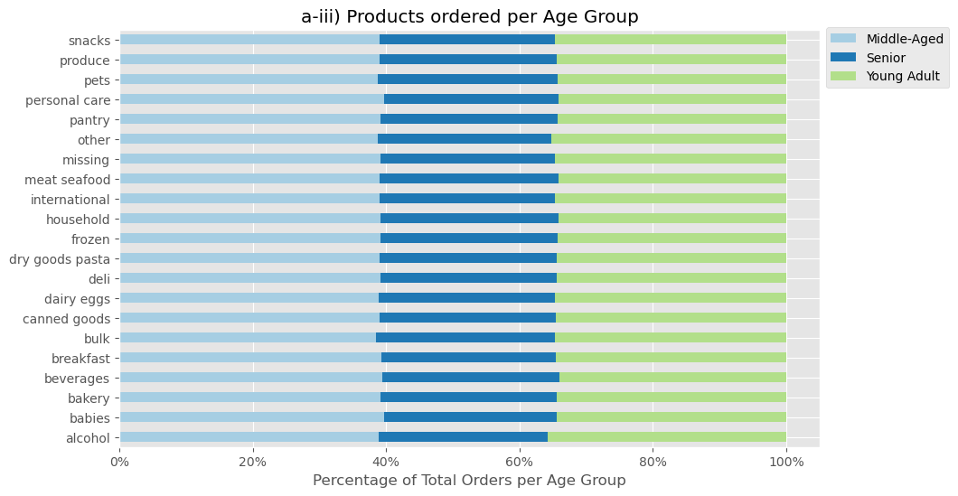
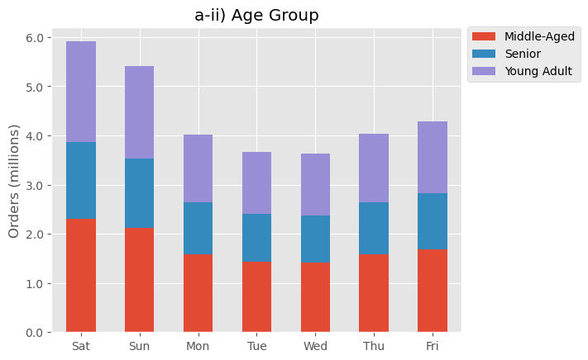
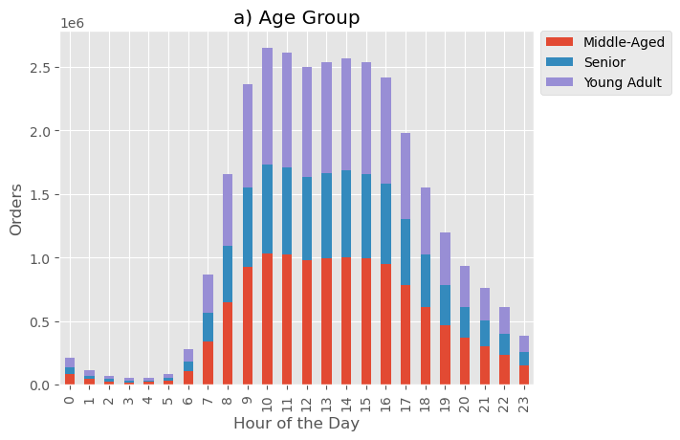
 |  |  | Title page

Recommendations

In this tab you should include all the visualtions from Exercises 4.9 and 4.10, alongside the questions from the project brief that they answer. Include any commentary on the relationship between different variables.

QUESTION 1: The sales team needs to know what the busiest days of the week and hours of the day are (i.e., the days and times with the most orders) in order to schedule ads at times when there are fewer orders
Insight
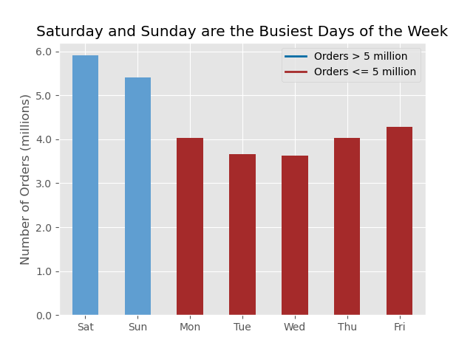

- Schedule ads for weekdays (Mon–Fri)
- particular emphasis on Tuesday and Wednesday
since these are the days with the fewest orders

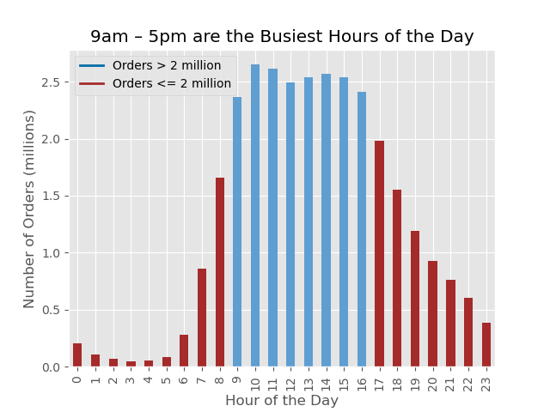

- Schedule ads for before 9am and after 5pm,
since these are the times with the fewest orders

QUESTION 2: They also want to know whether there are particular times of the day when people spend the most money, as this might inform the type of products they advertise at these times.
Insight | Recommendation(s)
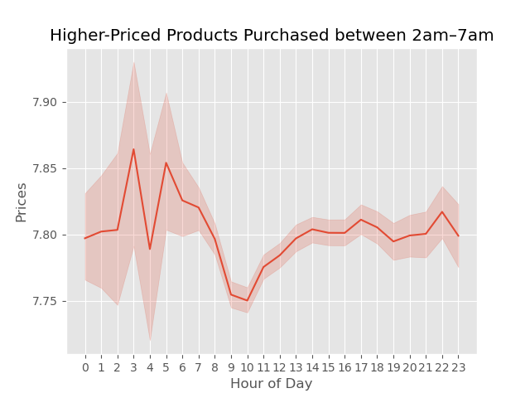

Schedule ads for higher-priced products between 9–11am to boost the current dip during this period
9–11am are some of the busiest hours of the day in terms of customer orders, so there's good potential for boosting sales here

QUESTION 3: Instacart has a lot of products with different price tags. Marketing and sales want to use simpler price range groupings to help direct their efforts.

Insight | Recommendation(s)

- 98.9% of products are priced $15 or less
- only 1.1% products are priced over $15
Group products into three Price-Ranges:
Low-Range = $5 or less
Mid-Range = between $5.01 and $15
High-Range = over $15

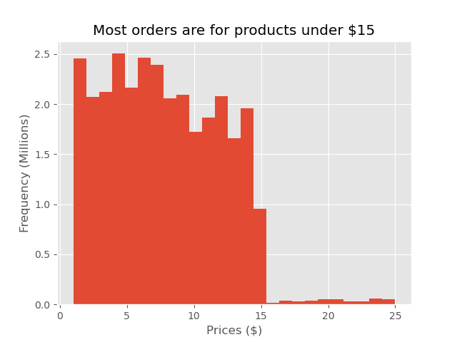

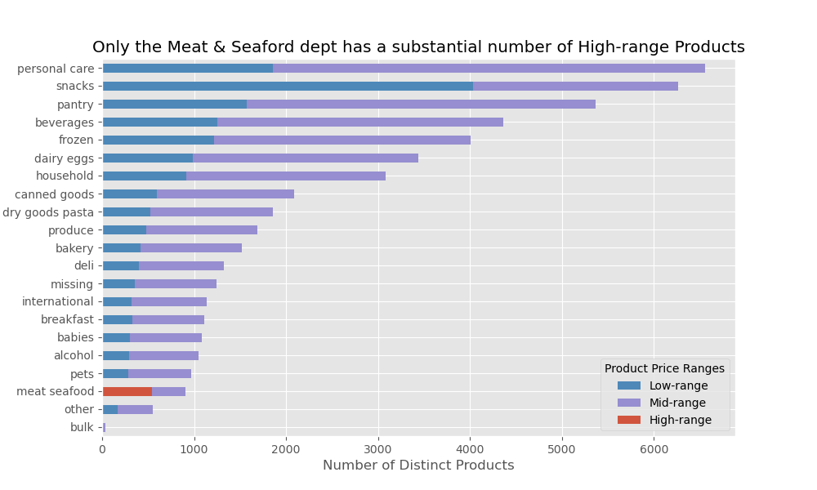

QUESTION 4: Are there certain types of products that are more popular than others? The marketing and sales teams want to know which departments have the highest frequency of product orders.

Insight | Recommedations
- Produce has the highest frequency of product orders with over 9 million
- Dairy/Eggs has the next highest frequency with just over 5 million orders
- Snacks and Beverages have the next highest frequency with just under 3 million and approximately 2.5 million orders respectively
Pets, Bulk and Alcohol have the lowest frequency of product orders
- Promote meat and seafood products to maximize revenue from High-Range products
- Promote produce and dairy & eggs products to maintain high order volumes
- Promote pantry and beverage products to boost revenue from Mid-range products

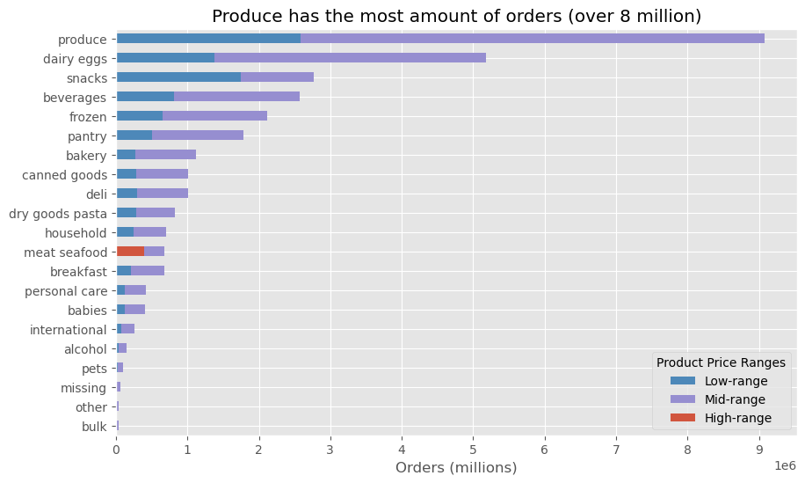

QUESTION 5: What’s the distribution among users in regards to their brand loyalty (i.e., how often do they return to Instacart)?
Insight | Recommedations
To track brand loyalty a 'loyalty flag' was created based on maximum orders with the following conditions:
Loyal customer = over 40 maximum orders
Regular customer = over 10 but less than or equal to 40
New customer = less than or equal to 10
Incentivise more customers to become 'Loyal' customers:
- create a reward programe providing benefits to loyal customers
- promote the program to new and regular customers

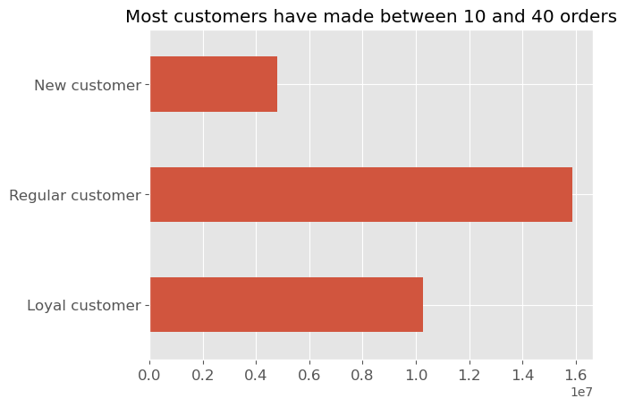

QUESTION 6: Are there differences in ordering habits based on a customer’s loyalty status?
Insight |  | Recommendation(s)
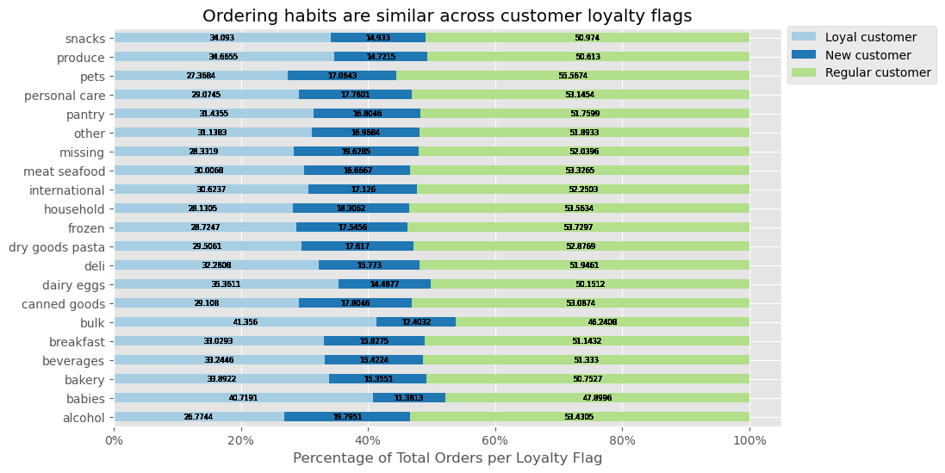
- Overall, there is little difference in the ordering habits based on a customer's loyalty status
- One slight difference is how Baby and Bulk products are purchased by more Loyal Customers than other groups. This could be due to new parents returning often to buy babies and bulk proucts
- Consider promoting bulk and babies products as part of a strategy to develop customer loyalty

QUESTION 7: Are there differences in ordering habits based on a customer’s region?

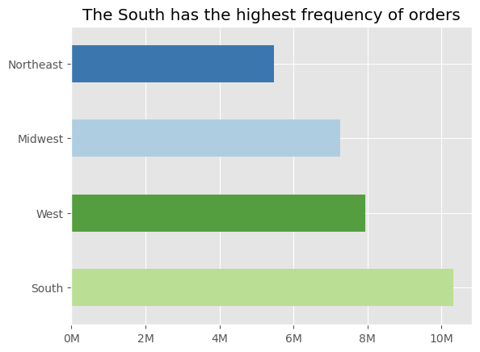
 | Recommendation

Marketing should be targeted according to the market size of each region:
- Direct the most resources to customers in the South compared to the Northeast

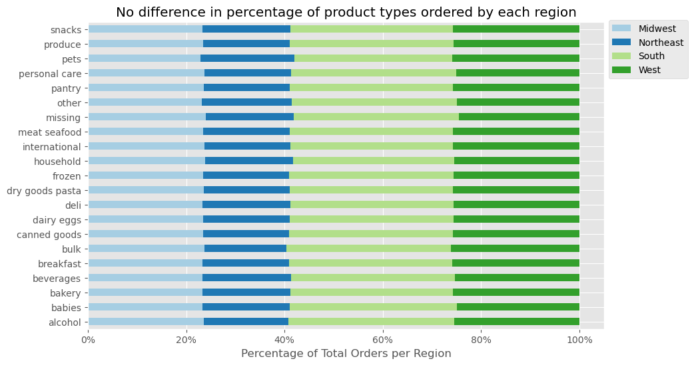
Regions are not ordering significantly more products from one department than another. The same products should be marketed across all regions

To identify high and low spenders, a spending flag was created based on mean product prices:
High Spender = mean product prices over $10
Low Spender = mean product prices $10 or less
Any marketing targeting High vs Low spenders should be directed at all regions

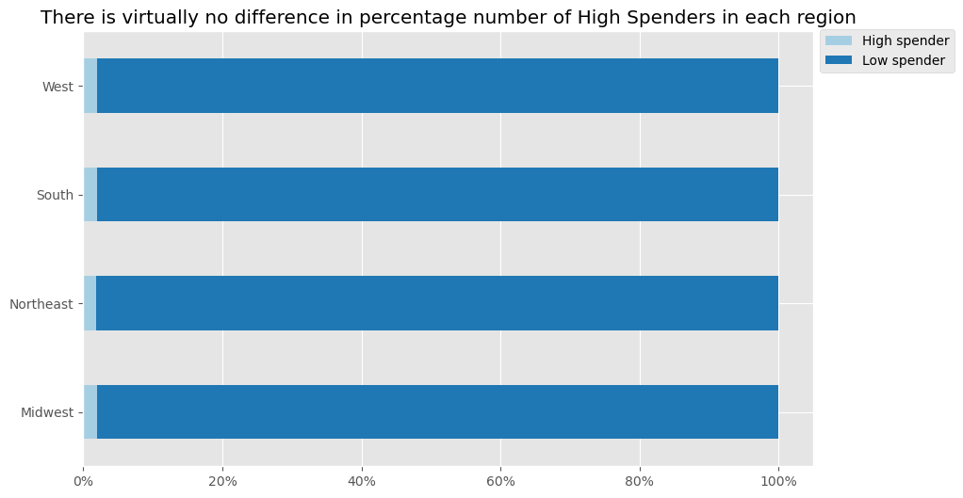

QUESTION 8: Is there a connection between age and family status in terms of ordering habits?

In terms of age and family status, Middle-Aged Married customers are the largest customer base
There is no discernable relationship between customers' Age and number of dependents.

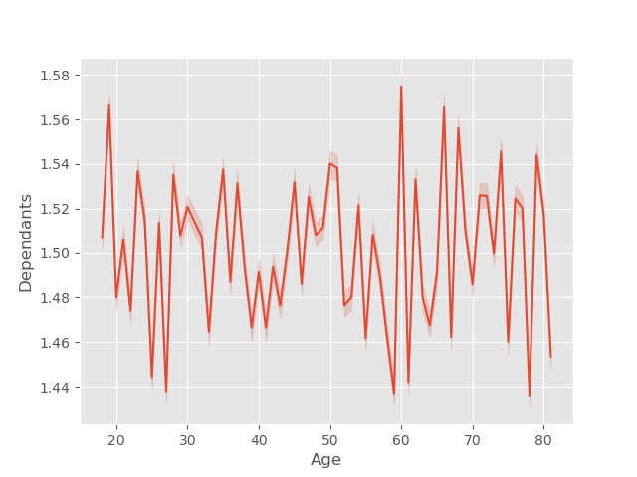

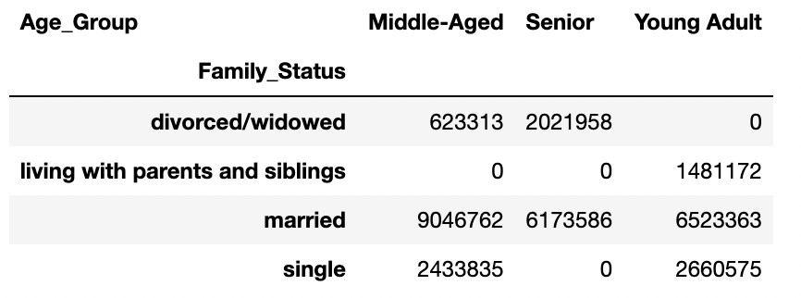

QUESTION 9: What different classifications does the demographic information suggest?

INCOME-BRACKETS
Low Income: < $50,000 per year
Middle Income: $50,000 – $99,999 per year
Upper-Middle Income: $100,000 – $199,999 per year
High Income: >= $200,000 per year
Upper-Middle Income customers place the most orders
AGE-GROUPS
Young Adult: 18–39 years old
Middle-Aged: 40–64 years old
Senior: 65 years and over
Middle-Aged customers place the most orders in all regions
HOUSEHOLD SIZE (based on dependents)
Large: 3 or more dependents
Medium: between 1–2 dependents
Small: no dependents
Customers from Medium households place the most orders

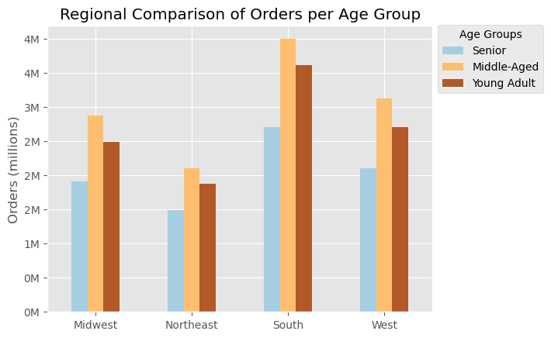
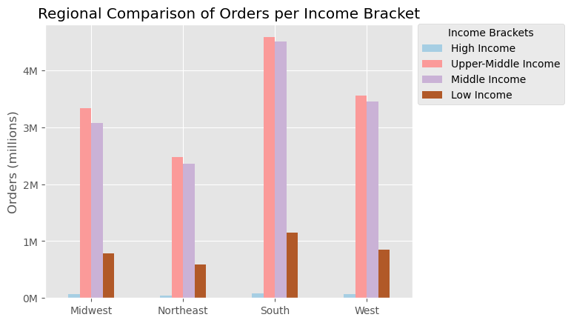
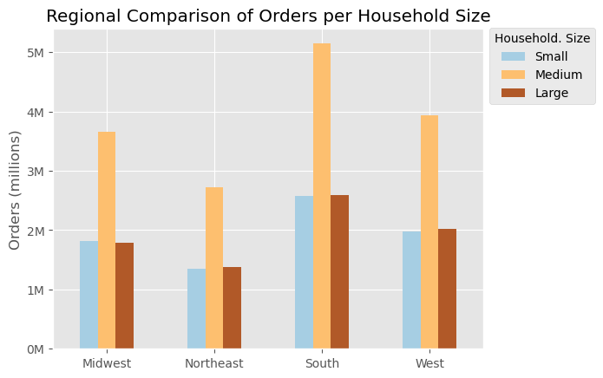

QUESTION 10: What differences can you find in ordering habits of different customer profiles? Consider the price of orders, the frequency of orders, the products customers are ordering, and anything else you can think of.
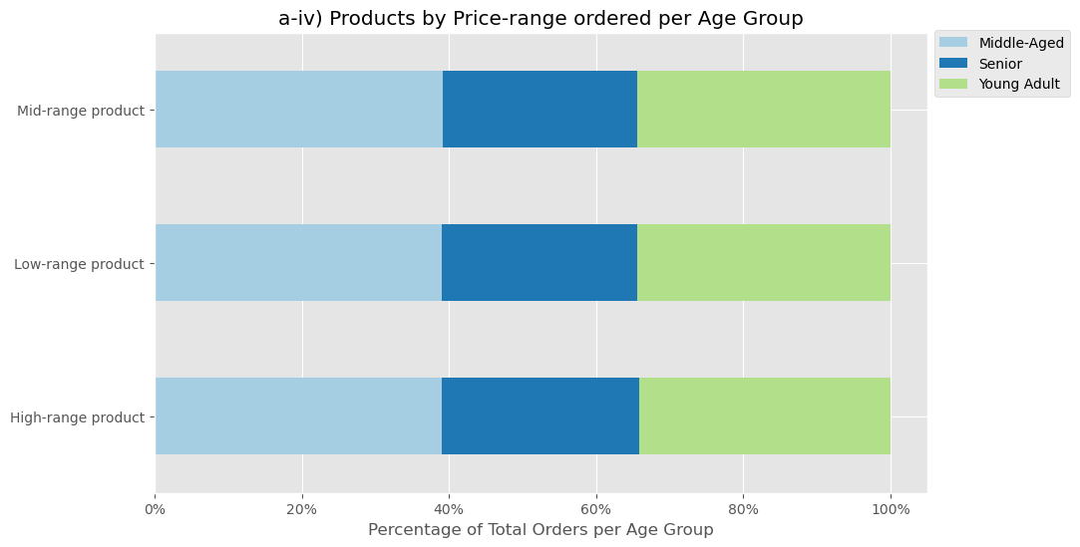
Customer Profile: AGE-GROUP
Hour of the Day and Age Group
Day of the Week and Age Group
Product Type and Age Group
Price-Range and Age Group
Age-Group not making a difference

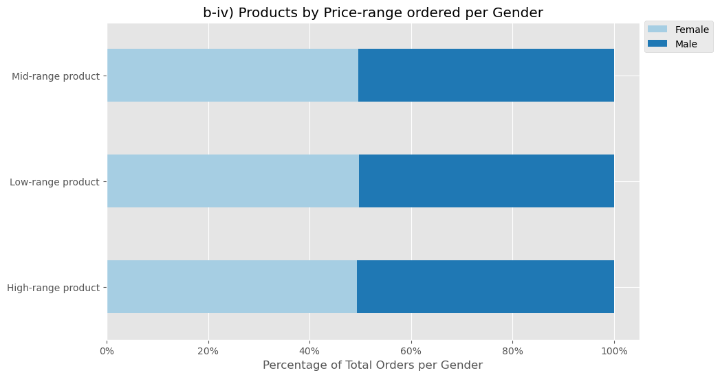
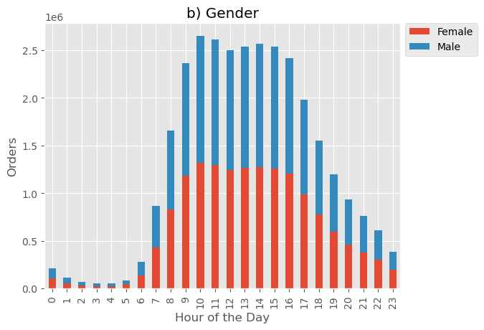
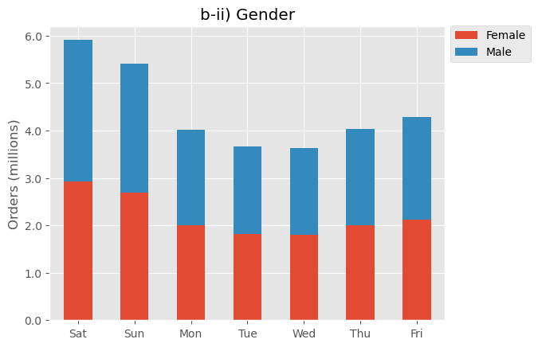
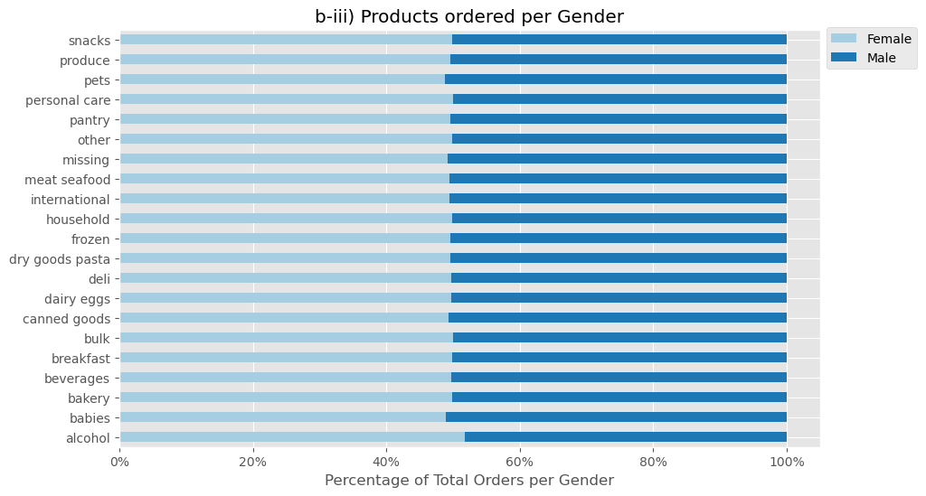
Customer Profile: GENDER
Hour of the Day and Gender
Day of the Week and Gender
Product Type and Gender
Price-Range and Gender
Gender not making a difference

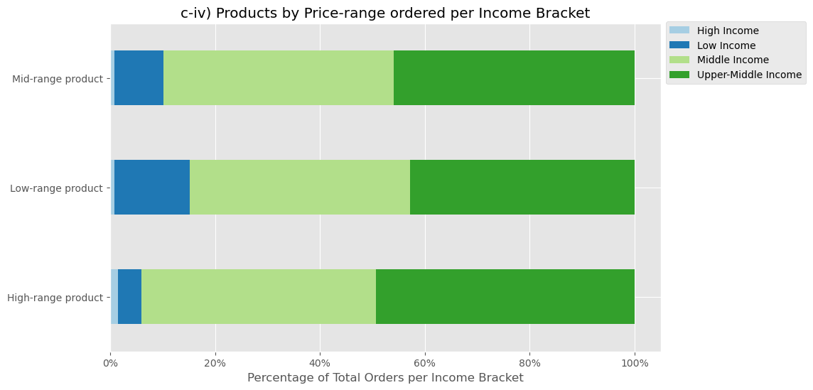
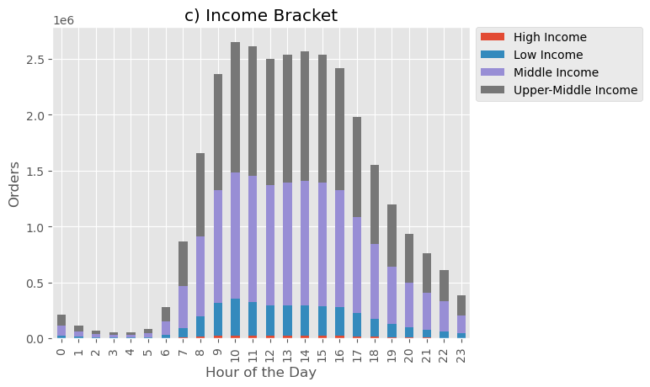
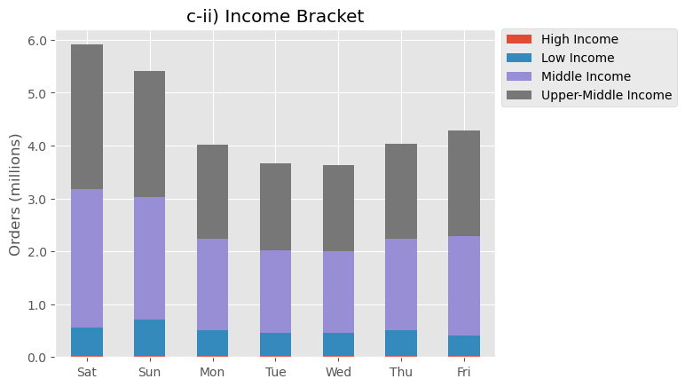
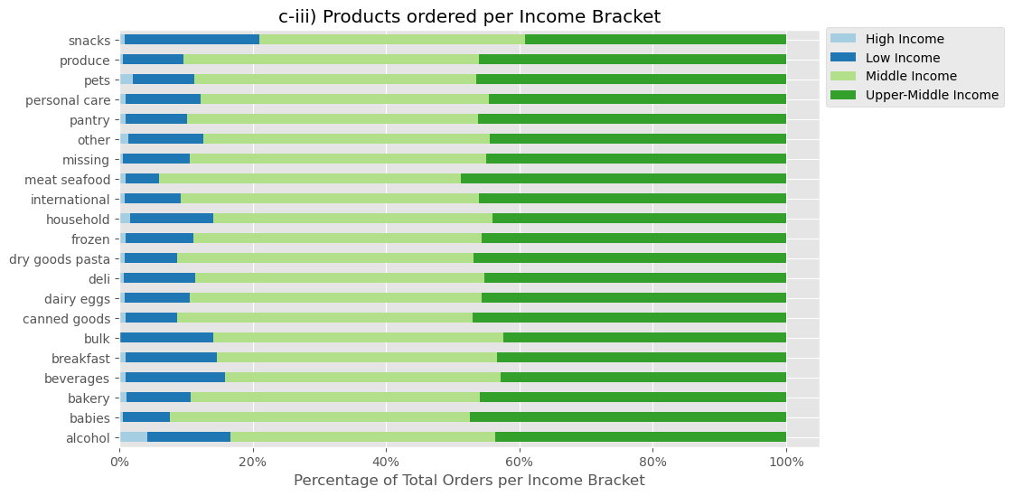
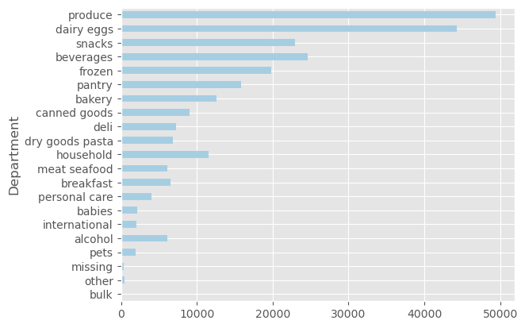
Customer Profile: INCOME
Hour of the Day and Income Bracket
Day of the Week and Income Bracket
Product Type and Income Bracket
Price-Range and Income Bracket
High income customers ordered more alcohol and household products than other income groups

Unsurprising, but worth mentioning that Low income customers order more low-range products than other income groups

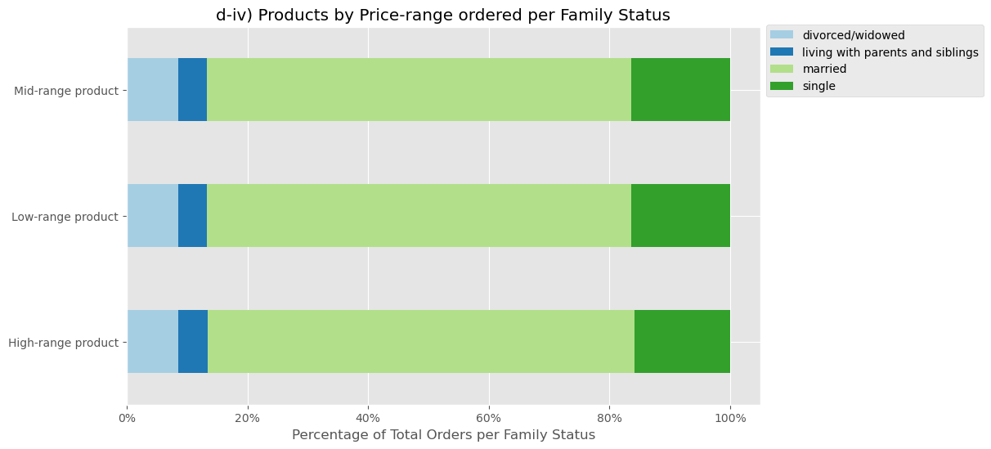
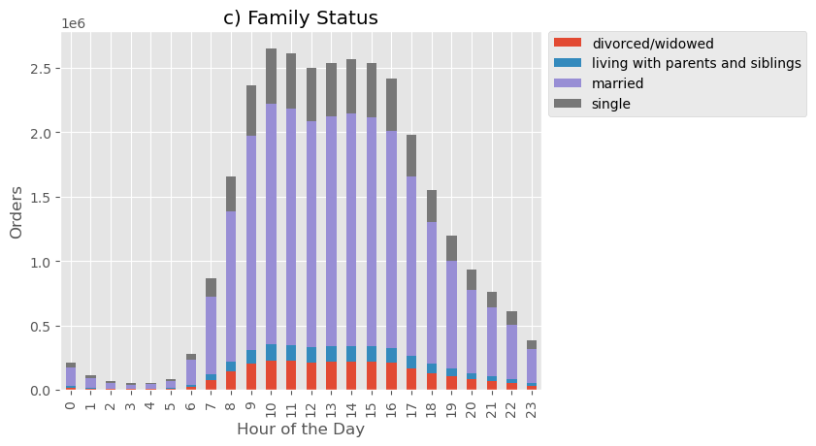
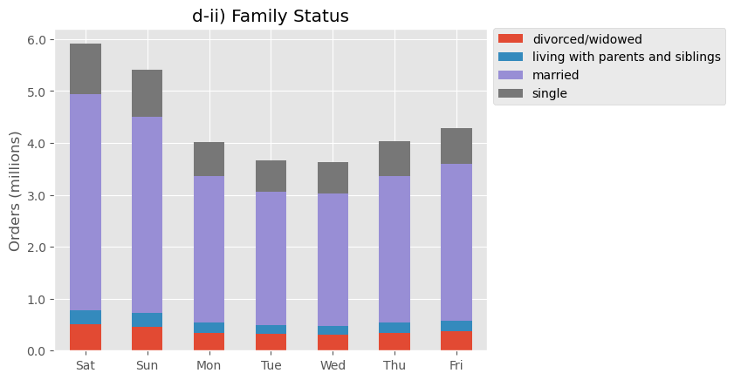
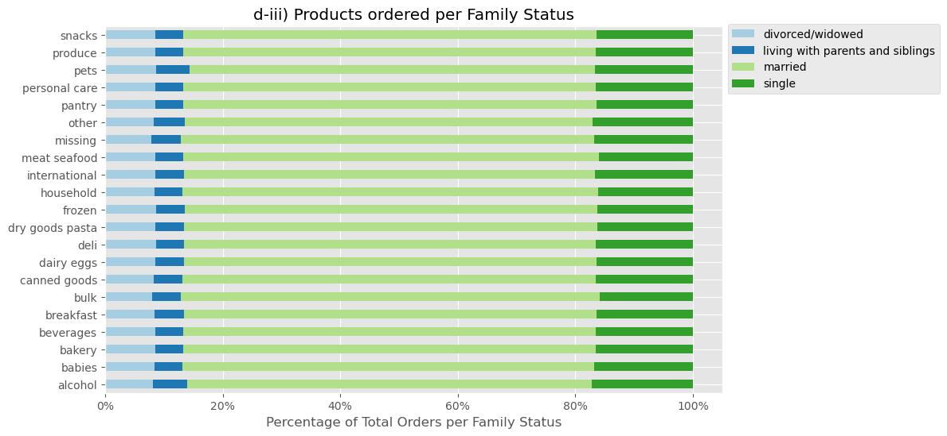
Customer Profile: FAMILY STATUS
Hour of the Day and Family Status
Day of the Week and Income Bracket
Product Type and Income Bracket
Price-Range and Income Bracket
Family Status not making a difference

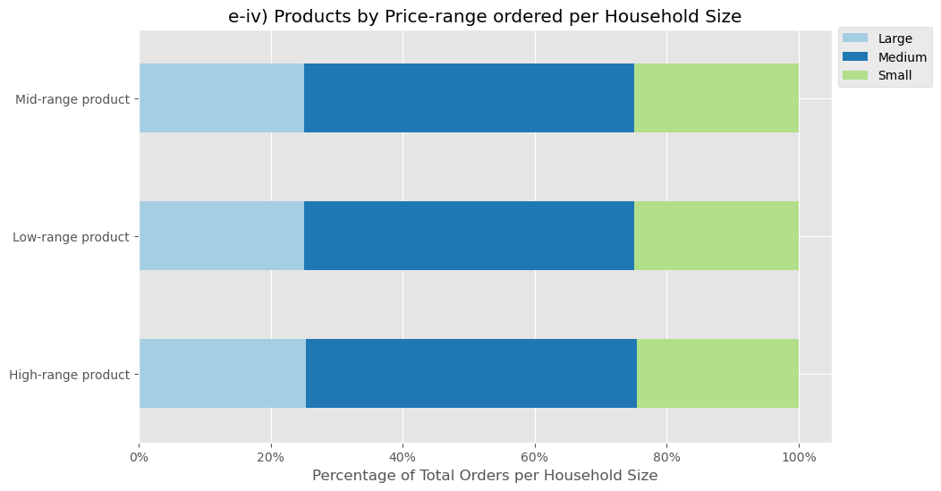
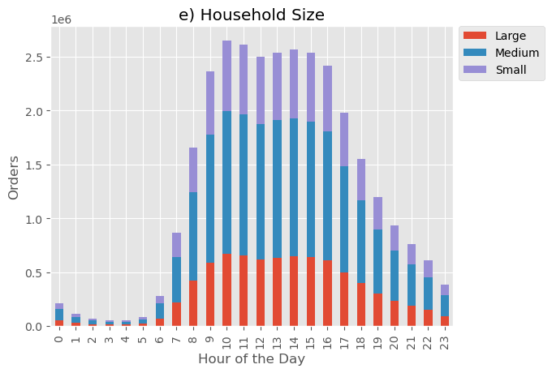
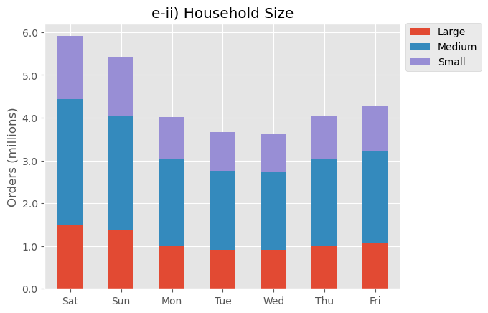
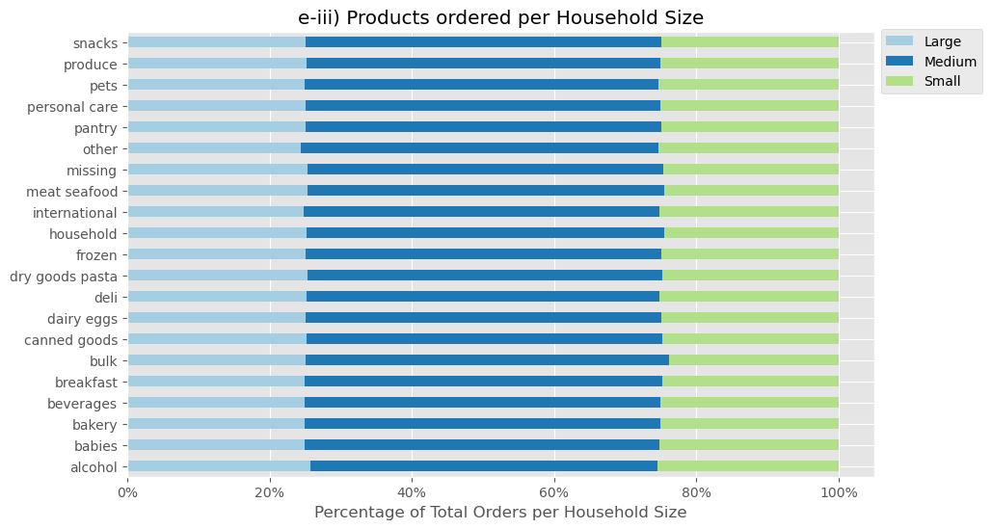
Customer Profile: HOUSEHOLD SIZE
Hour of the Day and Household Size
Day of the Week and Household Size
Product Type and Household Size
Price-Range and Household Size
Household Size not making a difference

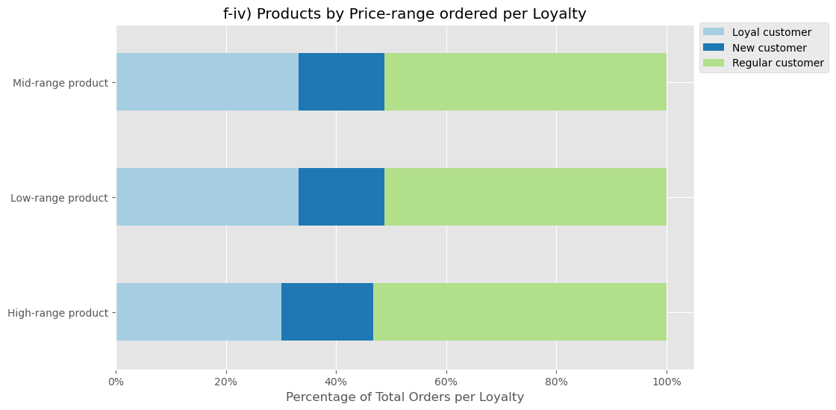
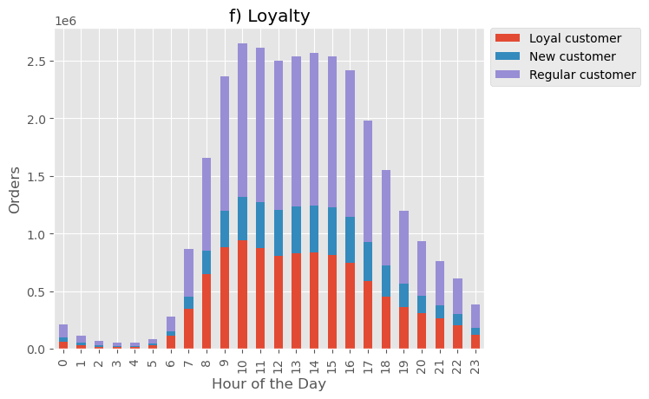
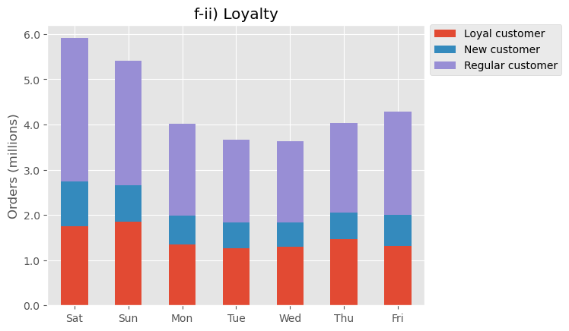
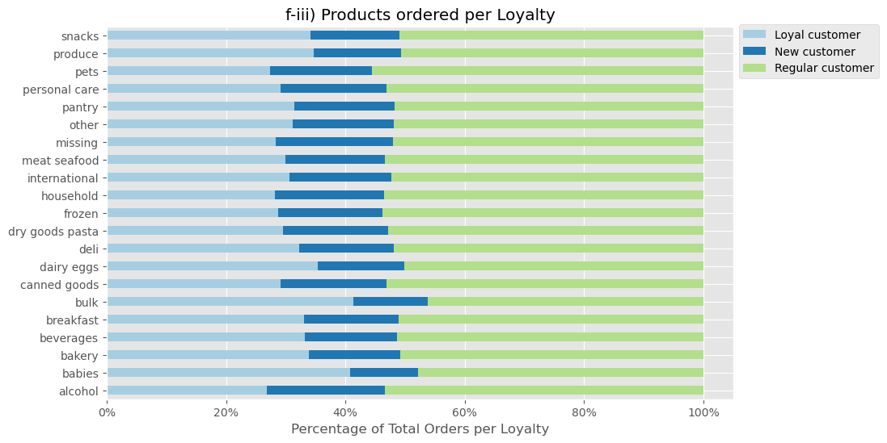
Customer Profile: LOYALTY
Hour of the Day and Loyalty
Day of the Week and Loyalty
Product Type and Loyalty
Price-Range and Loyalty
Loyal customers purchase more bulk and babies products

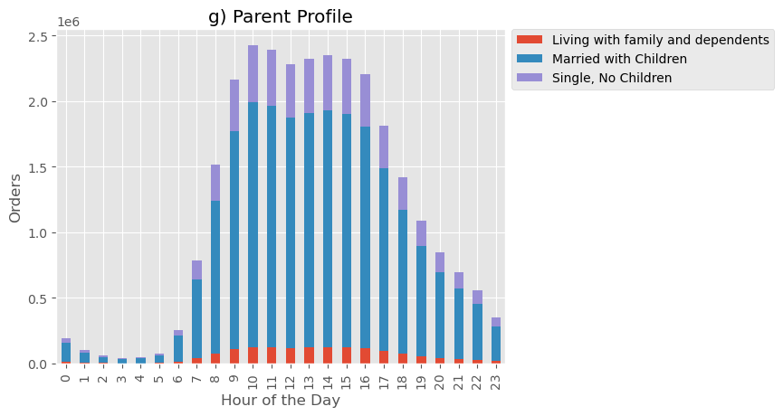
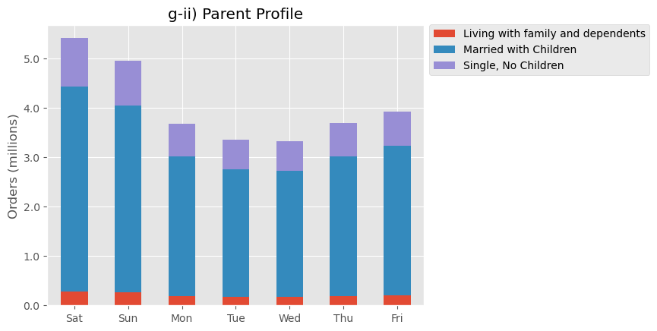
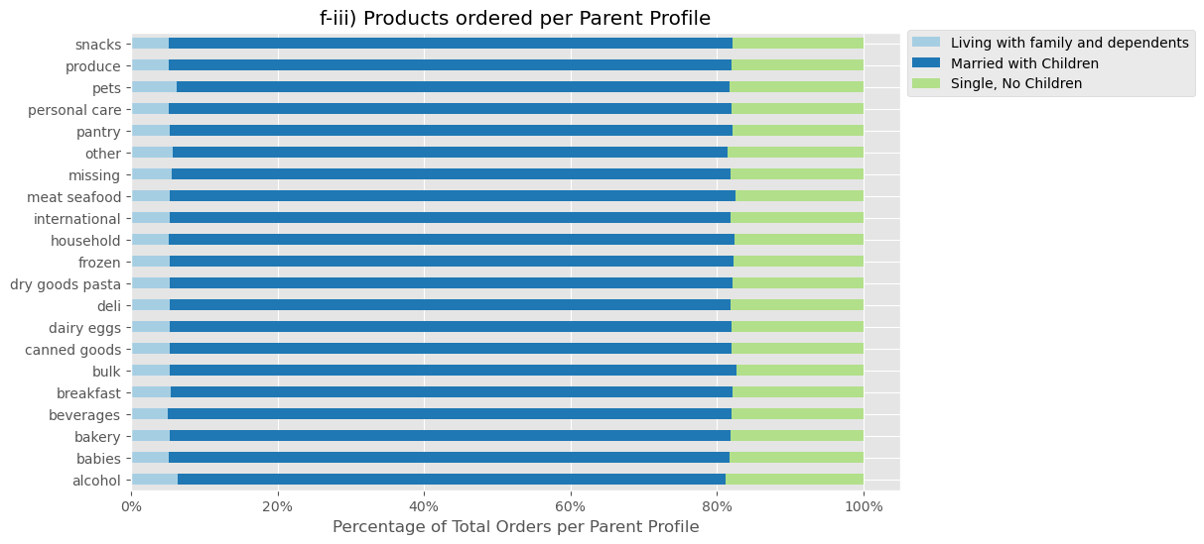
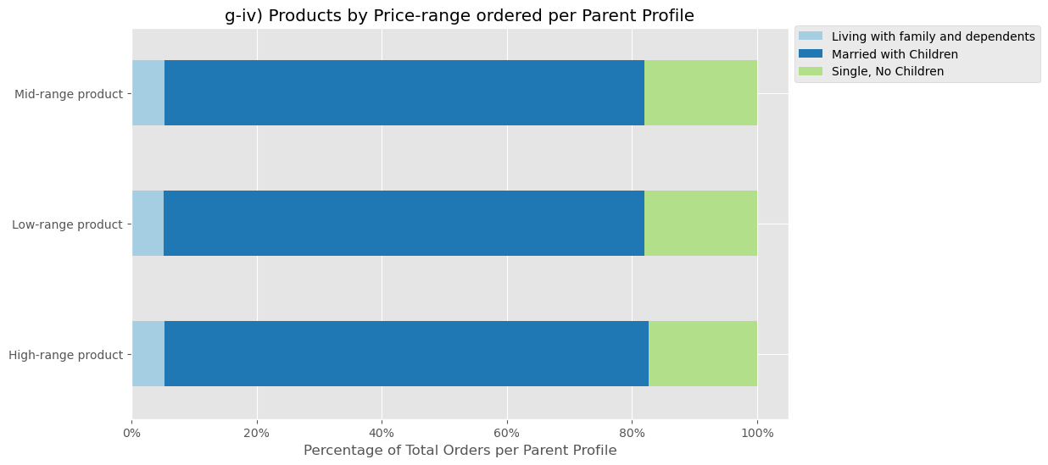
Customer Profile: PARENT PROFILE
Hour of the Day and Parent Profile
Day of the Week and Parent Profile
Product Type and Parent Profile
Price-Range and Parent Profile
Customers with dependents and living with family & siblings purchase slightly more Pets products

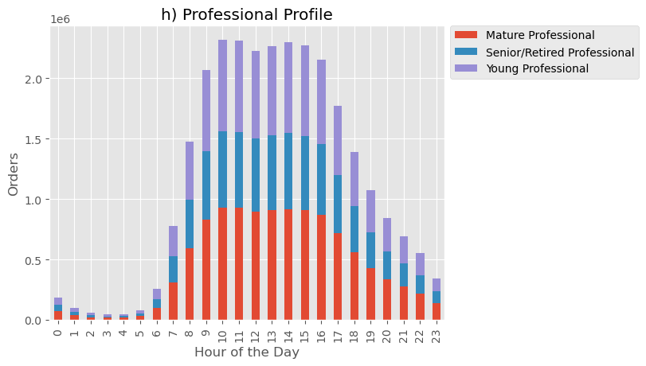
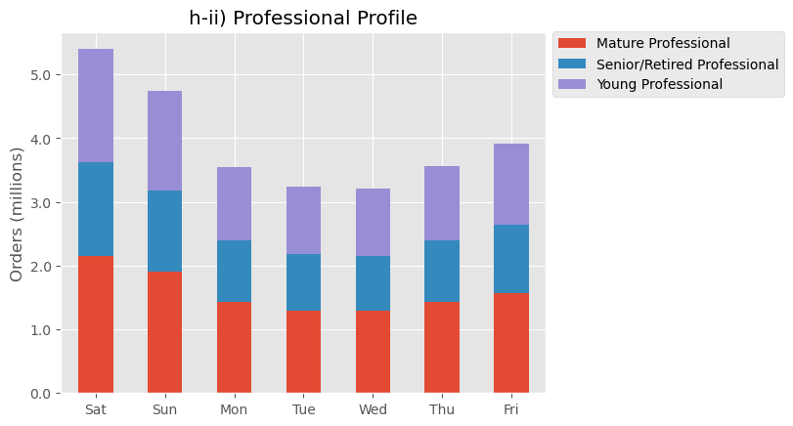
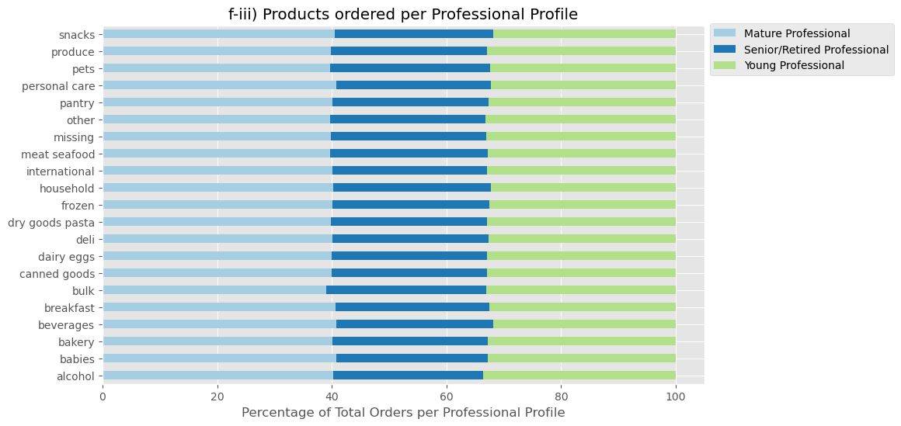
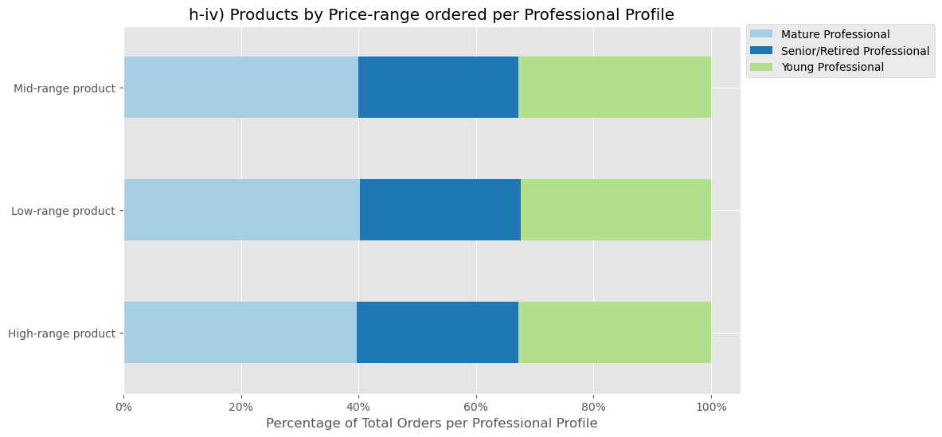
Customer Profile: PROFESSIONAL PROFILE
Hour of the Day and Professional Profile
Day of the Week and Professional Profile
Product Type and Professional Profile
Price-Range and Professional Profile

Meat & Seafood
Meat & Seafood are mostly high-cost items.
Of the 162,631 Instacart customers 40% have never ordered a meat & seafood item
Customers who have purchase meat & seafood items are across all customer profiles.
Recommend further analysis to investigate why a large proportion of customers are not purchasing meat & seafood products.

Whom to market | What to market | When to market
Age Group | Product Types | Day of the week
Gender | Product Price | Hour of the Day
Income Group
Household Size
Family Status
Parental Status

Which age groups

7. Insights & Recommendations
 |  |  | Title page

Recommendations

Stakeholders
Vice President of Marketing: “We’re always looking into improving our targeting for ad
campaigns.”
Senior Vice President of Sales: “We need to know what part of our offering has the lowest market share and why. Based on this input, we could improve this sector and boost sales.”
Instacart Customer: “I want to receive ads, promotions, and recommendations that are relevant to the products I order regularly.”
In this tab you should include any recommendations you would made to Instcart in terms of their marketing strategy based on the questions posed in the brief. Every key question has been covered in the Tasks of the Exercises - here you need to add an item - a visualisation or table/crosstable that is showing the answer in the data, acompanied by a comment from you. Please, list the questions below and add the answer underneath.

QUESTION 1: The sales team needs to know what the busiest days of the week and hours of the day are (i.e., the days and times with the most orders) in order to schedule ads at times when there are fewer orders
Insight | Recommendation(s)

- Schedule ads for weekdays (Mon–Fri)
- give particular emphasis on Tuesday and Wednesday
since these are the days with the fewest orders

- Schedule ads for before 9am and after 5pm,
since these are the times with the fewest orders

QUESTION 2: They also want to know whether there are particular times of the day when people spend the most money, as this might inform the type of products they advertise at these times.
Insight | Recommendation
- Most orders are between $76 and $82
- Average order price hits a low of just under $75 at 7pm
and a high of just over $86 at 10pm
Schedule ads for after 8pm to target when customers are spending more money

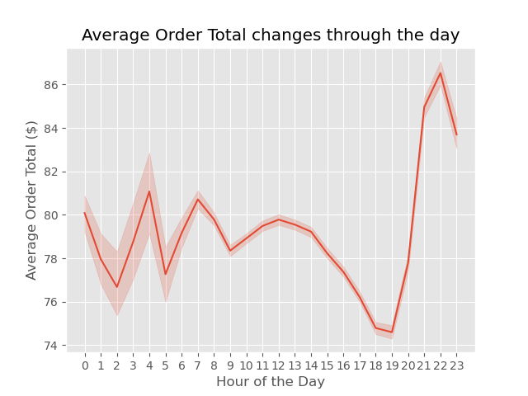



QUESTION 3: Instacart has a lot of products with different price tags. Marketing and sales want to use simpler price range groupings to help direct their efforts.

Insight | Recommendation

- 98.9% of products are priced $15 or less
- only 1.1% products are priced over $15
Group products into three Price-Ranges:
Low-Range = $5 or less
Mid-Range = between $5.01 and $15
High-Range = over $15



QUESTION 4: Are there certain types of products that are more popular than others? The marketing and sales teams want to know which departments have the highest frequency of product orders.

Insight | Recommedations

- Produce has the highest frequency of product orders with over 9 million
- Dairy/Eggs has the next highest frequency with just over 5 million orders
- Snacks and Beverages have the next highest frequency with just under 3 million and approximately 2.5 million orders respectively
Pets, Bulk and Alcohol have the lowest frequency of product orders
- Promote meat and seafood products to maximize revenue from High-Range products
- Promote produce and dairy & eggs products to maintain high order volumes
- Promote pantry and beverage products to boost revenue from Mid-range products



QUESTION 5: What’s the distribution among users in regards to their brand loyalty (i.e., how often do they return to Instacart)?

Insight | Recommedations
To track brand loyalty a 'loyalty flag' was created based on maximum orders with the following conditions:
Loyal customer = over 40 maximum orders
Regular customer = over 10 but less than or equal to 40
New customer = less than or equal to 10
Incentivise more customers to become 'Loyal' customers:
- create a reward programe providing benefits to loyal customers
- promote the program to new and regular customers



QUESTION 6: Are there differences in ordering habits based on a customer’s loyalty status?
Insight |  | Recommendation

- Overall, there is little difference in the ordering habits based on a customer's loyalty status
- One slight difference is how Baby and Bulk products are purchased by more Loyal Customers than other groups. This could be due to new parents returning often to buy babies and bulk proucts
- Consider promoting bulk and babies products as part of a strategy to develop customer loyalty

QUESTION 7: Are there differences in ordering habits based on a customer’s region?

While The South has the highest frequency of orders it should be noted that it is also the largest region with the largest population.

Regions are not ordering significantly more products from one department than another.
No recommendations regarding targeting regions with specific products

No recommendations regarding targeting high and low spenders within specific regions

QUESTION 8: Is there a connection between age and family status in terms of ordering habits?

In terms of age and family status, Middle-Aged Married customers are the largest customer base
There is no discernable relationship between customers' Age and number of dependents.

QUESTION 9: What different classifications does the demographic information suggest?

INCOME
Low Income: < $50,000 per year
Middle Income: $50,000 – $99,999 per year
Upper-Middle Income: $100,000 – $199,999 per year
High Income: >= $200,000 per year
Upper-Middle Income customers place the most orders
AGE
Young Adult: 18–39 years old
Middle-Aged: 40–64 years old
Senior: 65 years and over
Middle-Aged customers place the most orders in all regions
HOUSEHOLD SIZE (based on dependents)
Large: 3 or more dependents
Medium: between 1–2 dependents
Small: no dependents
Customers from Medium households place the most orders





QUESTION 10: What differences can you find in ordering habits of different customer profiles? Consider the price of orders, the frequency of orders, the products customers are ordering, and anything else you can think of.

An analysis was carried out on various customer profiles with regard to the following variables:
What they ordered
- Product Type (department)
- Product Price-Range (low, mid, high)
When they ordered
- Day of the week
- Hour of the day
Customer Profiles:
Age Group
Gender
Income Bracket
Family Status
Household Size
Loyalty
Parent Profile
Professional Profile

Summary
- No significant difference was found in the time of day and day of the week customers ordered when comparing profiles.
- some differences were found in what products and product price-ranges were ordered by different customer profiles:

Product Type and Income Bracket

Income appears to play a role in what products customers are ordering
- Middle and Upper-middle income customers account for the majority of orders from all departments
- Snacks perform well with Low income customers

Alcohol and Household products perform well with High income customers

Price-Range and Income Bracket
Low-range products perform better with Low-income customers than other price-ranges

Product Type and Loyalty
Loyal customers purchase more bulk and babies products

High value Items are not being ordered across all profiles

Meat & Seafood
Meat & Seafood are mostly high value items
Of the 162,631 Instacart customers 40% have never ordered a meat & seafood item
Customers who have purchased meat & seafood items are across all customer profiles.
Recommendation
Further analysis to investigate why a large proportion of customers are not purchasing meat & seafood products.

